Picture
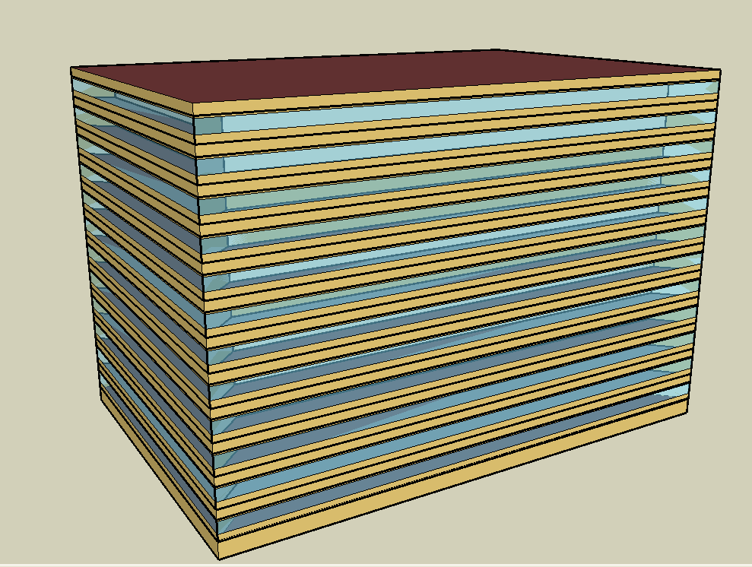
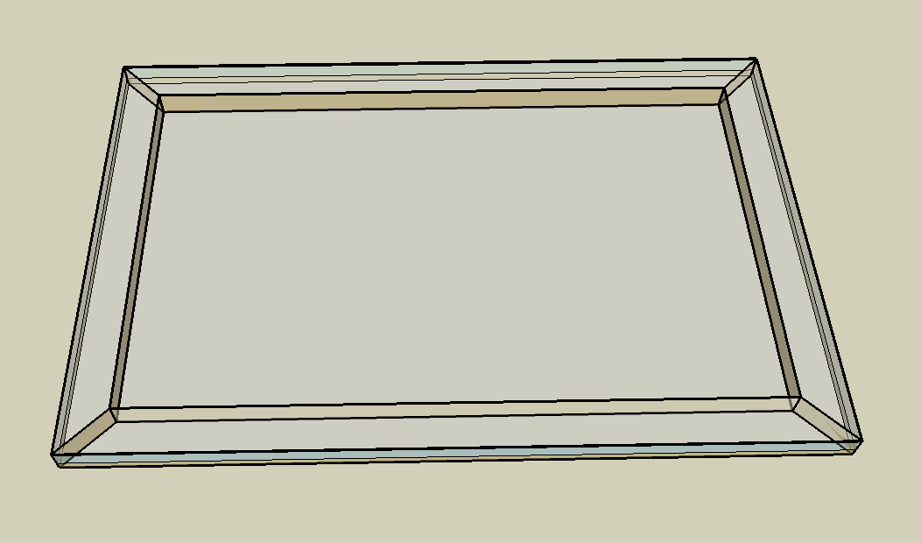
DOE Commercial Building Benchmark - Large Office

Electricity
 | Cooling | Interior Lighting | Exterior Lighting | Interior Equipment | Fans | Pumps | Heat Rejection
Miami | 1,404,316.67 | 1,427,038.89 | 17,477.78 | 1,857,736.11 | 264,669.44 | 318,597.22 | 257,144.44
Houston | 1,191,177.78 | 1,427,038.89 | 17,447.22 | 1,857,736.11 | 265,002.78 | 327,841.67 | 246,516.67
Phoenix | 1,032,563.89 | 1,427,038.89 | 17,444.44 | 1,857,736.11 | 328,455.56 | 300,552.78 | 243,500.00
Atlanta | 861,297.22 | 1,427,038.89 | 17,472.22 | 1,857,736.11 | 247,633.33 | 296,763.89 | 211,425.00
Los Angeles | 583,908.33 | 1,427,038.89 | 17,469.44 | 1,857,736.11 | 218,936.11 | 214,058.33 | 176,505.56
Las Vegas | 913,175.00 | 1,427,038.89 | 17,452.78 | 1,857,736.11 | 302,288.89 | 418,988.89 | 321,488.89
San Francisco | 250,450.00 | 1,427,038.89 | 17,433.33 | 1,857,736.11 | 215,311.11 | 156,213.89 | 120,080.56
Baltimore | 875,866.67 | 1,427,038.89 | 17,450.00 | 1,857,736.11 | 268,975.00 | 359,647.22 | 209,080.56
Albuquerque | 666,763.89 | 1,427,038.89 | 17,447.22 | 1,857,736.11 | 325,302.78 | 389,994.44 | 241,361.11
Seattle | 243,413.89 | 1,427,038.89 | 17,422.22 | 1,857,736.11 | 241,738.89 | 134,716.67 | 94,627.78
Chicago | 559,277.78 | 1,427,038.89 | 17,427.78 | 1,857,736.11 | 275,488.89 | 269,180.56 | 123,152.78
Boulder | 437,244.44 | 1,427,038.89 | 17,430.56 | 1,857,736.11 | 310,063.89 | 198,633.33 | 105,172.22
Minneapolis | 529,275.00 | 1,427,038.89 | 17,441.67 | 1,857,736.11 | 288,763.89 | 278,644.44 | 114,919.44
Helena | 398,947.22 | 1,427,038.89 | 17,419.44 | 1,857,736.11 | 300,319.44 | 375,588.89 | 142,630.56
Duluth | 363,119.44 | 1,427,038.89 | 17,413.89 | 1,857,736.11 | 300,925.00 | 254,366.67 | 77,022.22
Fairbanks | 307,777.78 | 1,427,038.89 | 17,311.11 | 1,857,736.11 | 320,894.44 | 229,800.00 | 57,177.78

Gas
 | Heating | Water Systems
Miami | 235,590.00 | 172,390.00
Houston | 2,776,280.00 | 206,270.00
Phoenix | 2,336,610.00 | 186,700.00
Atlanta | 2,578,660.00 | 239,000.00
Los Angeles | 664,640.00 | 232,760.00
Las Vegas | 1,684,080.00 | 210,220.00
San Francisco | 3,140,690.00 | 260,730.00
Baltimore | 4,512,870.00 | 264,720.00
Albuquerque | 2,647,540.00 | 259,860.00
Seattle | 4,512,830.00 | 278,190.00
Chicago | 6,173,790.00 | 287,320.00
Boulder | 4,108,620.00 | 286,140.00
Minneapolis | 8,259,400.00 | 306,840.00
Helena | 6,580,590.00 | 310,390.00
Duluth | 9,828,000.00 | 339,030.00
Fairbanks | 16,990,650.00 | 377,930.00

EUI
 | Cooling (elec) | Interior Lighting (elec) | Exterior Lighting (elec) | Interior Equipment (elec) | Fans (elec) | Pumps (elec) | Heat Rejection (elec) | Heating (gas) | Water Systems (gas)
Miami | 109.14 | 110.91 | 1.36 | 144.38 | 20.57 | 24.76 | 19.99 | 5.09 | 3.72
Houston | 92.58 | 110.91 | 1.36 | 144.38 | 20.60 | 25.48 | 19.16 | 59.94 | 4.45
Phoenix | 80.25 | 110.91 | 1.36 | 144.38 | 25.53 | 23.36 | 18.92 | 50.44 | 4.03
Atlanta | 66.94 | 110.91 | 1.36 | 144.38 | 19.25 | 23.06 | 16.43 | 55.67 | 5.16
Los Angeles | 45.38 | 110.91 | 1.36 | 144.38 | 17.02 | 16.64 | 13.72 | 14.35 | 5.03
Las Vegas | 70.97 | 110.91 | 1.36 | 144.38 | 23.49 | 32.56 | 24.99 | 36.36 | 4.54
San Francisco | 19.46 | 110.91 | 1.35 | 144.38 | 16.73 | 12.14 | 9.33 | 67.80 | 5.63
Baltimore | 68.07 | 110.91 | 1.36 | 144.38 | 20.90 | 27.95 | 16.25 | 97.43 | 5.71
Albuquerque | 51.82 | 110.91 | 1.36 | 144.38 | 25.28 | 30.31 | 18.76 | 57.16 | 5.61
Seattle | 18.92 | 110.91 | 1.35 | 144.38 | 18.79 | 10.47 | 7.35 | 97.43 | 6.01
Chicago | 43.47 | 110.91 | 1.35 | 144.38 | 21.41 | 20.92 | 9.57 | 133.28 | 6.20
Boulder | 33.98 | 110.91 | 1.35 | 144.38 | 24.10 | 15.44 | 8.17 | 88.70 | 6.18
Minneapolis | 41.14 | 110.91 | 1.36 | 144.38 | 22.44 | 21.66 | 8.93 | 178.31 | 6.62
Helena | 31.01 | 110.91 | 1.35 | 144.38 | 23.34 | 29.19 | 11.09 | 142.07 | 6.70
Duluth | 28.22 | 110.91 | 1.35 | 144.38 | 23.39 | 19.77 | 5.99 | 212.17 | 7.32
Fairbanks | 23.92 | 110.91 | 1.35 | 144.38 | 24.94 | 17.86 | 4.44 | 366.81 | 8.16

Water
 | Total Building | Water for Electricity (m3)
Miami | 22,967.31 | 2,938.56
Houston | 19,787.86 | 8,677.03
Phoenix | 31,209.05 | 154,679.00
Atlanta | 15,941.79 | 30,714.60
Los Angeles | 11,416.85 | 78,933.60
Las Vegas | 38,512.97 | 144,253.00
San Francisco | 6,690.00 | 71,008.30
Baltimore | 15,825.45 | 1,138.77
Albuquerque | 24,568.72 | 22,366.40
Seattle | 6,484.97 | 41,037.80
Chicago | 11,011.78 | 7,026.94
Boulder | 12,433.42 | 19,767.60
Minneapolis | 10,001.44 | 7,002.92
Helena | 13,274.52 | 286,296.00
Duluth | 6,801.71 | 6,667.51
Fairbanks | 5,638.95 | 4,309.18

Carbon
 | Carbon Equivalent (kg)
Miami | 1,528,620.00
Houston | 1,832,590.00
Phoenix | 1,617,460.00
Atlanta | 1,566,160.00
Los Angeles | 541,570.36
Las Vegas | 1,807,610.00
San Francisco | 533,973.27
Baltimore | 1,439,690.00
Albuquerque | 2,064,550.00
Seattle | 378,947.84
Chicago | 2,531,310.00
Boulder | 1,857,570.00
Minneapolis | 1,699,520.00
Helena | 1,775,930.00
Duluth | 1,654,390.00
Fairbanks | 1,500,020.00

LghtSch
Lighting Schedules
 | WD | SummerDesign | Sun, Hol, Other
 | 0.05 | 1 | 0.05
 | 0.05 | 1 | 0.05
 | 0.05 | 1 | 0.05
 | 0.05 | 1 | 0.05
 | 0.05 | 1 | 0.05
 | 0.1 | 1 | 0.05
 | 0.1 | 1 | 0.05
 | 0.3 | 1 | 0.05
 | 0.9 | 1 | 0.05
 | 0.9 | 1 | 0.05
 | 0.9 | 1 | 0.05
 | 0.9 | 1 | 0.05
 | 0.9 | 1 | 0.05
 | 0.9 | 1 | 0.05
 | 0.9 | 1 | 0.05
 | 0.9 | 1 | 0.05
 | 0.9 | 1 | 0.05
 | 0.5 | 1 | 0.05
 | 0.3 | 1 | 0.05
 | 0.3 | 1 | 0.05
 | 0.2 | 1 | 0.05
 | 0.2 | 1 | 0.05
 | 0.1 | 1 | 0.05
 | 0.05 | 1 | 0.05

EqpSch
Euipment Schedules
 | WD | SummerDesign | Sun, Hol, Other
 | 0 | 0 | 0
 | 0 | 0 | 0
 | 0 | 0 | 0
 | 0 | 0 | 0
 | 0 | 0 | 0
 | 0 | 0 | 0
 | 0.1 | 1 | 0
 | 0.2 | 1 | 0
 | 0.95 | 1 | 0
 | 0.95 | 1 | 0
 | 0.95 | 1 | 0
 | 0.95 | 1 | 0
 | 0.5 | 1 | 0
 | 0.95 | 1 | 0
 | 0.95 | 1 | 0
 | 0.95 | 1 | 0
 | 0.95 | 1 | 0
 | 0.3 | 1 | 0
 | 0.1 | 1 | 0
 | 0.1 | 1 | 0
 | 0.05 | 1 | 0
 | 0.05 | 1 | 0
 | 0.05 | 0.05 | 0
 | 0.05 | 0.05 | 0

OccSch
Occupancy Schedules
 | WD | Sat | Sun, Hol, Other
 | 0.4 | 0.3 | 0.3
 | 0.4 | 0.3 | 0.3
 | 0.4 | 0.3 | 0.3
 | 0.4 | 0.3 | 0.3
 | 0.4 | 0.3 | 0.3
 | 0.4 | 0.3 | 0.3
 | 0.4 | 0.4 | 0.3
 | 0.4 | 0.4 | 0.3
 | 0.9 | 0.5 | 0.3
 | 0.9 | 0.5 | 0.3
 | 0.9 | 0.5 | 0.3
 | 0.9 | 0.5 | 0.3
 | 0.8 | 0.35 | 0.3
 | 0.9 | 0.35 | 0.3
 | 0.9 | 0.35 | 0.3
 | 0.9 | 0.35 | 0.3
 | 0.9 | 0.35 | 0.3
 | 0.5 | 0.3 | 0.3
 | 0.4 | 0.3 | 0.3
 | 0.4 | 0.3 | 0.3
 | 0.4 | 0.3 | 0.3
 | 0.4 | 0.3 | 0.3
 | 0.4 | 0.3 | 0.3
 | 0.4 | 0.3 | 0.3

HeatSch
Heating Set Point Schedules
 | SummerDesign | Sat | Sun, Hol, Other
 | 15.6 | 15.6 | 15.6
 | 15.6 | 15.6 | 15.6
 | 15.6 | 15.6 | 15.6
 | 15.6 | 15.6 | 15.6
 | 15.6 | 15.6 | 15.6
 | 15.6 | 15.6 | 15.6
 | 15.6 | 21 | 15.6
 | 15.6 | 21 | 15.6
 | 15.6 | 21 | 15.6
 | 15.6 | 21 | 15.6
 | 15.6 | 21 | 15.6
 | 15.6 | 21 | 15.6
 | 15.6 | 21 | 15.6
 | 15.6 | 21 | 15.6
 | 15.6 | 21 | 15.6
 | 15.6 | 21 | 15.6
 | 15.6 | 21 | 15.6
 | 15.6 | 15.6 | 15.6
 | 15.6 | 15.6 | 15.6
 | 15.6 | 15.6 | 15.6
 | 15.6 | 15.6 | 15.6
 | 15.6 | 15.6 | 15.6
 | 15.6 | 15.6 | 15.6
 | 15.6 | 15.6 | 15.6

CoolSch
Cooling Set Point Schedules
 | WD, SummerDesign | Sat | Sun, Hol, Other
 | 30 | 30 | 30
 | 30 | 30 | 30
 | 30 | 30 | 30
 | 30 | 30 | 30
 | 30 | 30 | 30
 | 30 | 30 | 30
 | 24 | 24 | 30
 | 24 | 24 | 30
 | 24 | 24 | 30
 | 24 | 24 | 30
 | 24 | 24 | 30
 | 24 | 24 | 30
 | 24 | 24 | 30
 | 24 | 24 | 30
 | 24 | 24 | 30
 | 24 | 24 | 30
 | 24 | 24 | 30
 | 24 | 24 | 30
 | 24 | 30 | 30
 | 24 | 30 | 30
 | 24 | 30 | 30
 | 24 | 30 | 30
 | 30 | 30 | 30
 | 30 | 30 | 30

